CEA
CML Customer's Name |  | RaPa, DE, Selb | Issued by Factory Engineer | Tina
CML Customer's P/N |  | 17604001 | Factory P/N | JA2C716LA0
CML P/N |  | 02R009655.A02 | Date | 2022-08-09

Customer Engineering Approval
The changes listed below have been approved by the customer through the technical queries before the production start of the samples.
Choosen Base Material |  | See Q1 | Choosen Solder Mask | See Q2

No | Description of the Problem/picture | Suggestion/Proposal | Customer Response | EQ Status
1 | 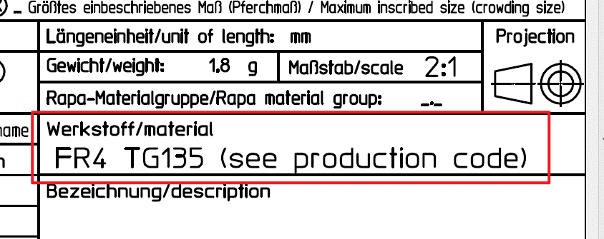 Not defined base material | We suggest use DK-C140,TG: 135 ºC Please confirm | CML MaG: confirmed
2 | 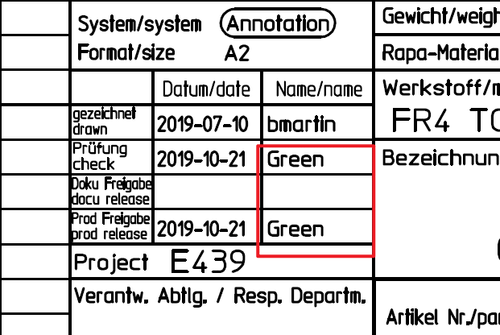 Not defined solder mask type | We suggest use YSR-900 G01 with glossy green Please confirm | CML MaG: acc CSI use Rongda H-9100 3G
3 | 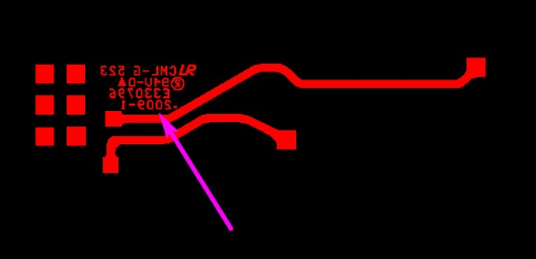 About UL marks | We suggest only adding our UL "CML-G 7JD 兄 94V-0 E330796" and datecode“YY/WW” at bottom circuit layer(ignore other companies' marks). Please confirm | CML MaG: confirmed
4 | We have no control the weight | We suggest ignore weight. Please confirm | CML MaG: confirmed
5 |  There is nothing in the DXF provided by the customer,It's also unreadable | We suggest ignore DXF,We'll follow the original gerber and the working gerber. Please confirm | CML MaG: follow gerber and PDF drawing
Date |  |  | Customer's Signature
2022-08-09 |  |  | CML MAG
Note: * Info for report and CEA: Green marked means customer was informed and the information has to add in the report page Customer Engineering Approval. only keep the Green marked EQ and print as CEA Add EQ status, if factory clarify 2nd EQ, must fix the status

